Sheet1
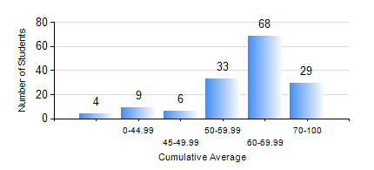
 |  |  | KWAME NKRUMAH UNIVERSITY OF SCIENCE AND TECHNOLOGY, KUMASI Department of Computer Engineering

 |  |  | BSC. COMPUTER ENG.

 |  |  | COMPREHENSIVE RECORD OF EXAMINATION RESULTS

 |  |  | RESULTS OF YEAR 1 FIRST SEMESTER, 2018/2019 ACADEMIC YEAR

 | Sn | Course Code |  | Course Name | Credit Hours | Min. Mark | Max. Mark | Avg. Mark | Std. Dev. | No. Passed | No. Trailed | No. (Df) | No. (I) | No. (I*) | No. Tagged(I,I*,Df) | Total
 | 0. |  |  |  |  |  |  | 0 | 0 | 0 | 0 | 0 | 0 | 0 | 0 | 10
 | 1. | CE 155 |  | ENVIRONMENTAL STUDIES | 2 | 26 | 81 | 64 | 9.27 | 136 | 3 | 0 | 0 | 0 | 0 | 139
 | 2. | COE 153 |  | ENGINEERING TECHNOLOGY | 2 | 5 | 96 | 82 | 13.83 | 137 | 2 | 0 | 0 | 0 | 0 | 139
 | 3. | COE 157 |  | INTRODUCTION TO INFORMATION TECHNOLOGY | 2 | 20 | 85 | 68 | 10.17 | 136 | 3 | 0 | 0 | 0 | 0 | 139
 | 4. | COE 181 |  | APPLIED ELECTRICITY | 3 | 30 | 77 | 56 | 12.7 | 132 | 7 | 0 | 0 | 0 | 0 | 139
 | 5. | ENGL 157 |  | COMMUNICATION SKILLS I | 2 | 7 | 81 | 62 | 11.48 | 135 | 4 | 0 | 0 | 0 | 0 | 139
 | 6. | MATH 151 |  | ALGEBRA | 4 | 0 | 81 | 60 | 11.42 | 134 | 5 | 0 | 0 | 0 | 0 | 139
 | 7. | ME 159 |  | TECHNICAL DRAWING | 2 | 0 | 85 | 57 | 13.08 | 134 | 5 | 0 | 0 | 0 | 0 | 139
 | 8. | ME 161 |  | BASIC MECHANICS | 3 | 0 | 89 | 61 | 17.04 | 131 | 8 | 0 | 0 | 0 | 0 | 139

